Sheet1
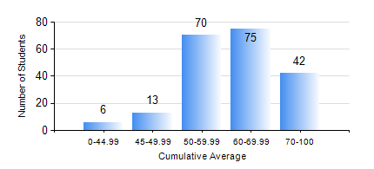
 |  |  | KWAME NKRUMAH UNIVERSITY OF SCIENCE AND TECHNOLOGY, KUMASI Department of Civil Engineering

 |  |  | BSC. CIVIL ENG.

 |  |  | COMPREHENSIVE RECORD OF EXAMINATION RESULTS

 |  |  | RESULTS OF YEAR 2 SECOND SEMESTER, 2018/2019 ACADEMIC YEAR

 | Sn | Course Code |  | Course Name | Credit Hours | Min. Mark | Max. Mark | Avg. Mark | Std. Dev. | No. Passed | No. Trailed | No. (Df) | No. (I) | No. (I*) | No. Tagged(I,I*,Df) | Total
 | 0. |  |  |  |  |  |  | 0 | 0 | 0 | 0 | 0 | 0 | 0 | 0 | 17
 | 1. | CE 256 |  | FLUID MECHANICS | 3 | 0 | 88 | 64 | 14.44 | 183 | 6 | 0 | 0 | 0 | 0 | 189
 | 2. | CE 260 |  | SOIL AND ROCK MECHANICS | 3 | 0 | 96 | 63 | 14.48 | 186 | 3 | 0 | 0 | 0 | 0 | 189
 | 3. | CE 264 |  | INTRODUCTION TO ENVIRONMENTAL ENGINEERING | 2 | 0 | 74 | 54 | 9.32 | 186 | 3 | 0 | 0 | 0 | 0 | 189
 | 4. | ENGL 264 |  | LITERATURE IN ENGLISH | 1 | 0 | 82 | 72 | 8.62 | 187 | 2 | 0 | 0 | 0 | 0 | 189
 | 5. | GE 282 |  | LARGE SCALE SURVEYING | 4 | 0 | 94 | 71 | 14.72 | 187 | 2 | 0 | 0 | 0 | 0 | 189
 | 6. | MATH 252 |  | MATHEMATICS IV | 4 | 0 | 93 | 57 | 18.48 | 171 | 18 | 0 | 0 | 0 | 0 | 189

